File Originale
PHOTO | BRAND | DESCRIPTION | CODE | PCS / BOX | STREET PRICE | OFFER PRICE | QTY | TOTAL STREET PRICE | TOTAL OFFER
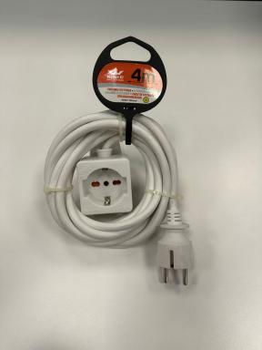 | REXER king of power | WIRE EXTENSION 16A W/CLIP 4MT - WHITE | RX5003 | 6 | 12.60 € | 2.97 € | 1668 | 21,016.80 € | 4,953.96 €
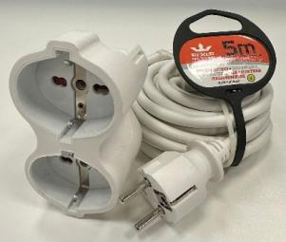 | REXER king of power | WIRE EXTENSION 16A DOUBLE HEADED 5MT - W | RX5002 | 6 | 14.90 € | 3.44 € | 1998 | 29,770.20 € | 6,873.12 €
 | REXER king of power | Torretta multi plug a scomparsa 4 posizi | RXT1001 | 6 | 33.50 € | 7.20 € | 1014 | 33,969.00 € | 7,300.80 €
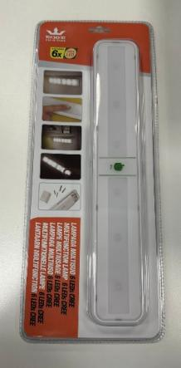 | REXER king of power | Lampada sottopensile 6 LEDs CREE interru | RX6021 | 24 | 19.80 € | 4.41 € | 780 | 15,444.00 € | 3,439.80 €
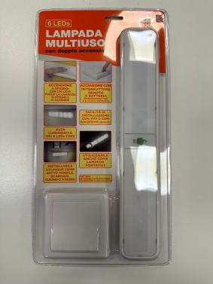 | REXER king of power | Lampada sottopensile 6 LEDs CREE con int | RX6020 | 24 | 31.50 € | 6.75 € | 2454 | 77,301.00 € | 16,564.50 €
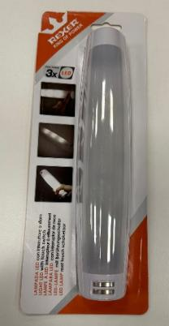 | REXER king of power | Lampada multiuso 3LEDs con interruttore | RX6027 | 24 | 11.30 € | 2.71 € | 3270 | 36,951.00 € | 8,861.70 €
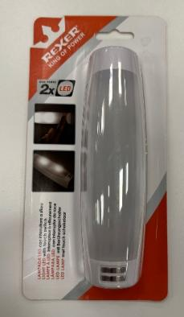 | REXER king of power | Lampada multiuso 2LEDs con interruttore | RX6026 | 24 | 9.90 € | 2.43 € | 3158 | 31,264.20 € | 7,673.94 €
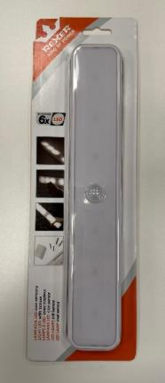 | REXER king of power | Lampada sottopensile 6 LEDs con sensore | RX6028 | 24 | 19.75 € | 4.34 € | 3216 | 63,516.00 € | 13,957.44 €
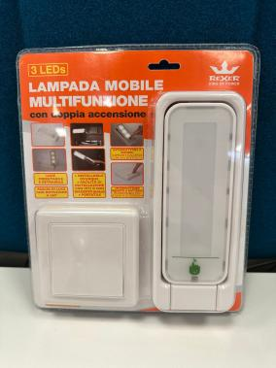 | REXER king of power | Lampada multiuso 3 LEDs CREE con interru | RX6022 | 24 | 28.75 € | 6.20 € | 534 | 15,352.50 € | 3,310.80 €
Totale |  |  |  |  |  |  | 18092 | 324,584.70 € | 72,936.06 €

